Sheet1
Landmark # | Type | Description
1 | III
2 | I
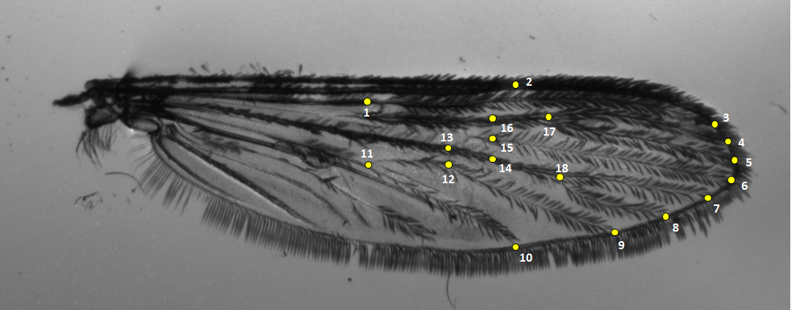
3 | I
4 | I | Distal end of Rs 2.1
5 | I | Distal end of Rs 2.2
6 | I | Distal end of Rs 3
7 | I | Distal end of Rs 4.1
8 | I | Distal end of Rs 4.2
9 | I | Distal end of Rs 5.1
10 | I | Distal end of Rs 5.2
11 | I | Proximal end of Rs 5.1 and 5.2
12 | II
13 | II
14 | III
15 | III
16 | III
17 | I
18 | I

 |  |  | http://ihi.eprints.org/1274/1/Gillies_&_Coetzee_1984_Supplement_to_African_anophelines_1.pdf
 |  |  | https://en.wikipedia.org/wiki/Comstock%E2%80%93Needham_system

